NBA Heights
Assume that NBA player heights are normally distributed. |  |  |  |  | Mean | 200.8
Player ID | NBA Heights CM | Z-Score | Players SHORTER than this player | Players TALLER than this player | Standard Deviation | 8.29
1317 | 213.4 | 1.520 | 93.57% | 6.43%
1334 | 195.5 | -0.639 | 26.13% | 73.87%
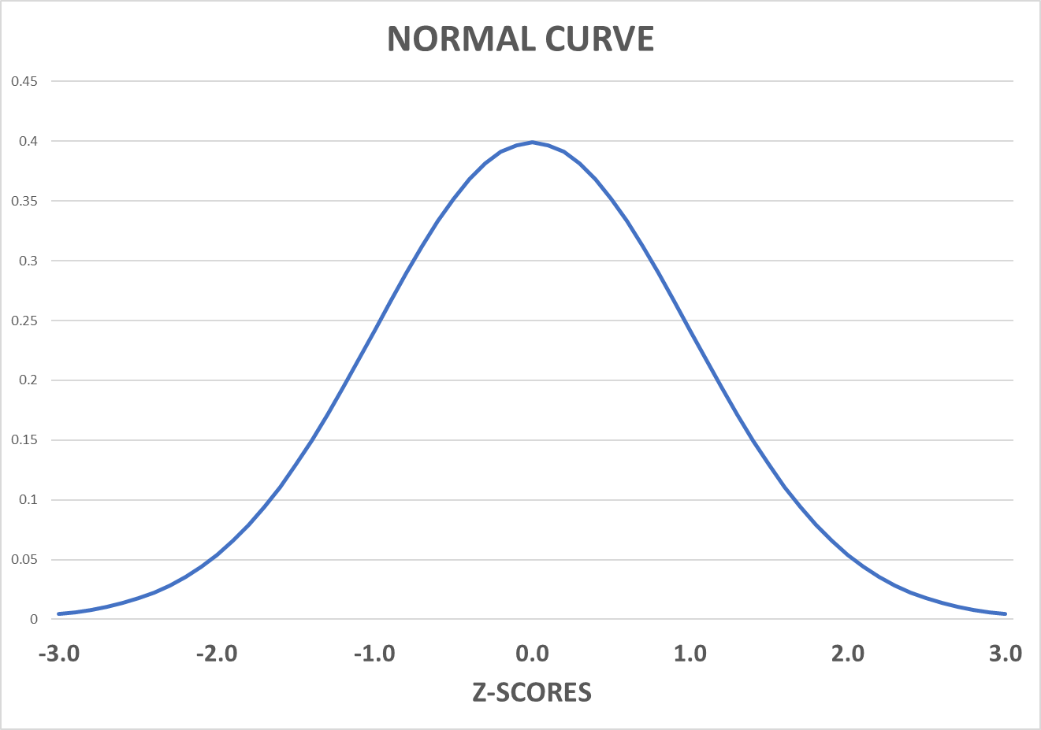
1362 | 188 | -1.544 | 6.13% | 93.87%
1364 | 195.5 | -0.639 | 26.13% | 73.87%
1446 | 210.8 | 1.206 | 88.61% | 11.39%
1460 | 210.8 | 1.206 | 88.61% | 11.39%
1463 | 201 | 0.024 | 50.96% | 49.04%
1609 | 190.5 | -1.242 | 10.70% | 89.30%
1648 | 190.5 | -1.242 | 10.70% | 89.30%
1658 | 201 | 0.024 | 50.96% | 49.04%
1749 | 210.8 | 1.206 | 88.61% | 11.39%
1787 | 200.6 | -0.024 | 49.04% | 50.96%
1813 | 198 | -0.338 | 36.78% | 63.22%
1827 | 208 | 0.869 | 80.74% | 19.26%
1836 | 205.7 | 0.591 | 72.28% | 27.72%
1847 | 198 | -0.338 | 36.78% | 63.22%
1862 | 200.6 | -0.024 | 49.04% | 50.96%
1868 | 210.8 | 1.206 | 88.61% | 11.39%
1909 | 193 | -0.941 | 17.34% | 82.66%
1932 | 193 | -0.941 | 17.34% | 82.66%
1933 | 213.4 | 1.520 | 93.57% | 6.43%
1944 | 203 | 0.265 | 60.46% | 39.54%
2012 | 213.4 | 1.520 | 93.57% | 6.43%
2025 | 198 | -0.338 | 36.78% | 63.22%
2097 | 213.4 | 1.520 | 93.57% | 6.43%
2184 | 195.5 | -0.639 | 26.13% | 73.87%
2235 | 203 | 0.265 | 60.46% | 39.54%
2294 | 200.6 | -0.024 | 49.04% | 50.96%
2397 | 203 | 0.265 | 60.46% | 39.54%
2495 | 193 | -0.941 | 17.34% | 82.66%
2501 | 205.7 | 0.591 | 72.28% | 27.72%
2531 | 205.7 | 0.591 | 72.28% | 27.72%
2548 | 193 | -0.941 | 17.34% | 82.66%
2597 | 203 | 0.265 | 60.46% | 39.54%
2619 | 195.5 | -0.639 | 26.13% | 73.87%
2623 | 203 | 0.265 | 60.46% | 39.54%
2648 | 200.6 | -0.024 | 49.04% | 50.96%
2796 | 193 | -0.941 | 17.34% | 82.66%
2891 | 203 | 0.265 | 60.46% | 39.54%
3057 | 195.5 | -0.639 | 26.13% | 73.87%
3125 | 190.5 | -1.242 | 10.70% | 89.30%
3133 | 193 | -0.941 | 17.34% | 82.66%
3154 | 216 | 1.834 | 96.66% | 3.34%
3252 | 200.6 | -0.024 | 49.04% | 50.96%
3256 | 195.5 | -0.639 | 26.13% | 73.87%
3266 | 208 | 0.869 | 80.74% | 19.26%
3292 | 203 | 0.265 | 60.46% | 39.54%
3323 | 208 | 0.869 | 80.74% | 19.26%
3339 | 203 | 0.265 | 60.46% | 39.54%
3413 | 203 | 0.265 | 60.46% | 39.54%
3512 | 208.3 | 0.905 | 81.72% | 18.28%
3514 | 193 | -0.941 | 17.34% | 82.66%
3585 | 208.3 | 0.905 | 81.72% | 18.28%
3617 | 198 | -0.338 | 36.78% | 63.22%
3618 | 203 | 0.265 | 60.46% | 39.54%
3698 | 203 | 0.265 | 60.46% | 39.54%
3702 | 200.6 | -0.024 | 49.04% | 50.96%
3748 | 198 | -0.338 | 36.78% | 63.22%
3754 | 210.8 | 1.206 | 88.61% | 11.39%
3765 | 200.6 | -0.024 | 49.04% | 50.96%
3789 | 198 | -0.338 | 36.78% | 63.22%
3814 | 210.8 | 1.206 | 88.61% | 11.39%
3837 | 200.6 | -0.024 | 49.04% | 50.96%
3877 | 188 | -1.544 | 6.13% | 93.87%
3885 | 213.4 | 1.520 | 93.57% | 6.43%
3926 | 210.8 | 1.206 | 88.61% | 11.39%
3988 | 200.6 | -0.024 | 49.04% | 50.96%
4034 | 205.7 | 0.591 | 72.28% | 27.72%
4035 | 185.5 | -1.846 | 3.25% | 96.75%
4184 | 188 | -1.544 | 6.13% | 93.87%
4221 | 203 | 0.265 | 60.46% | 39.54%
4255 | 208 | 0.869 | 80.74% | 19.26%
4262 | 231.1 | 3.655 | 99.99% | 0.01%
4289 | 203 | 0.265 | 60.46% | 39.54%
4327 | 210.8 | 1.206 | 88.61% | 11.39%
4359 | 195.5 | -0.639 | 26.13% | 73.87%
4395 | 200.6 | -0.024 | 49.04% | 50.96%
4452 | 180.5 | -2.449 | 0.72% | 99.28%
4469 | 190.5 | -1.242 | 10.70% | 89.30%
4495 | 200.6 | -0.024 | 49.04% | 50.96%
4707 | 185.5 | -1.846 | 3.25% | 96.75%
4740 | 198 | -0.338 | 36.78% | 63.22%
4857 | 188 | -1.544 | 6.13% | 93.87%
4885 | 198 | -0.338 | 36.78% | 63.22%
4912 | 205.7 | 0.591 | 72.28% | 27.72%
5011 | 201 | 0.024 | 50.96% | 49.04%
5023 | 195.5 | -0.639 | 26.13% | 73.87%
5055 | 185.5 | -1.846 | 3.25% | 96.75%
5139 | 216 | 1.834 | 96.66% | 3.34%
5226 | 190.5 | -1.242 | 10.70% | 89.30%
5359 | 201 | 0.024 | 50.96% | 49.04%
5368 | 198 | -0.338 | 36.78% | 63.22%
5379 | 208.3 | 0.905 | 81.72% | 18.28%
5408 | 200.6 | -0.024 | 49.04% | 50.96%
5415 | 205.7 | 0.591 | 72.28% | 27.72%
5437 | 198 | -0.338 | 36.78% | 63.22%
5442 | 203 | 0.265 | 60.46% | 39.54%
5507 | 201 | 0.024 | 50.96% | 49.04%
5567 | 190.5 | -1.242 | 10.70% | 89.30%
5592 | 190.5 | -1.242 | 10.70% | 89.30%

